1. Title Page
Customer and Spending Habits Project

Date: 5 February 2022
Analyst Name: Caitlin Haugen

Contents:
Population Flow
Consistency checks
Wrangling steps
Column derivations
Visualizations
Recommendations

2. Population Flow
 |  |  | Title page

Population Flow

Orders_products_combined
Orders_products_merged
Orders_products_all

Total:
Total:
Total:
32,434,489 | 32,399,732 | 32,399,727

Exclusion flag
Condition: max_order < $5
Obervations to be removed: 1,440,040
Final total count of order_products_all: 32,399,727
Data Citation
“The Instacart Online Grocery Shopping Dataset 2017”, Accessed from https://www.instacart.com/datasets/grocery-shopping-2017 on 19 December 2021.

3. Consistency checks
 |  |  |  |  | Title page
Consistency Checks

Dataset | Outliers | Missing values | Treatment | Duplicates
orders |  |  |  | 0
products |  | 16 values in product_name column | deleted | 5
products | 5,127 values in prices |  | deleted
orders_products_prior
customers |  | 11,259 customer first name | kept | 0

4. Wrangling steps
 |  |  |  |  | Title page
Wrangling Steps

Dataset | Columns Dropped | Columns renamed | Columns' type changed | Comment/Reason
Orders | eval_set |  |  | It only has one value as it is an internal reference for Instacart.
Orders |  | order_dow TO orders_day_of_week |  | "DOW" was ambiguious.
Orders |  |  | order_id to 'string' | It is not a numerical value, rather a key related to specific order.
Orders |  |  | user_id to 'string' | It is not a numerical value, rather a key related to specific order.
Orders |  | order_hour_of_day TO time_of_order |  | For clarification and ease of use.
Customers |  | First Name to customer_first_name |  | Clartity and consistency
Customers |  | Surnam to customer_surname |  | Clartity and consistency
Customers |  | Gender to customer_gender |  | Clartity and consistency
Customers |  | STATE to customer_state |  | Clartity and consistency
Customers |  | fam_status to customer_family_status |  | Clartity and consistency
Customers |  | n_dependents to customer_number_dependents |  | Clartity and consistency
Customers |  | income to customer_income |  | Clartity and consistency
Customers |  | Age to customer_age |  | Clartity and consistency
Customers |  | date_joined to date_customer_joined |  | Clartity and consistency
Customers |  |  | customer_first_name to 'string' | Mixed type.
Orders/Products Merged |  |  | busiest_day to category | To save memory
Orders/Products Merged |  |  | busiest_days to category | To save memory
Orders/Products Merged |  |  | busiest_period_of_day to category | To save memory
Orders/Products Merged |  |  | loyalty_flag to category | To save memory
Orders/Products Merged |  |  | spender_type to category | To save memory
Orders/Products Merged |  |  | customer_first_name to category | To save memory
Orders/Products Merged |  |  | customer_frequency to category | To save memory
Orders/Products Merged |  |  | price_range_loc to category | To save memory
Orders/Products Merged |  |  | orders_day_of_week to int8 | Low number range - to save memory
Orders/Products Merged |  |  | order_hour_of_day to int8 | Low number range - to save memory
Orders/Products Merged |  |  | aisle_id to int16 | Low number range - to save memory
Orders/Products Merged |  |  | add_to_cart_order to int16 | Low number range - to save memory
Orders/Products Merged |  |  | product_id to int32 | Mid number range - to save memory
Orders/Products Merged |  |  | department_id to int8 | Low number range - to save memory
Orders/Products Merged |  |  | max_order to int16 | Low number range - to save memory

5. Column derivations
 |  |  | Title page

Column Derivations and Aggregations

New column | Column/s it was derived from | Conditions
single_order | days_since_prior_order | If there are no previous orders, it is tagged as "true" or confirmed a new order.
price_range_loc | prices | low range = items under $5, mid range = items $6 to $15, high range = items over $15.
busiest_day | orders_day_of_week | Saturday is the busiest, so tagged "busiest day" and Wednesday was the least busy, so tagged "least busy." Every other day is "regularly busy."
busiest_days | orders_day_of_week | Saturday and Sunday are is the busiest, so tagged "busiest days" and Wednesday and Tuesday are the least busy, so tagged "slowest days." Every other day is "regularly busy."
busiest_period_of_day | order_hour_of_day | Between 2:00 am and 5:00 am have the fewest orders so are "slowest times," from 6:00 am to 7:00 and 8:00 am and 1:00 am are in the middle, so tagged "moderate times," all other times are "busiest times."
max_order | user_id and max of order_number | Calculates the max order of a customer by determining the max order, based on user ID.
loyalty_flag | max_order | If a customer has more than a 40 order max, they are tagged "loyal customer," 10 to 40 orders is "regular customer," and less than 10 orders are "new customers."
order_avg | user_id and mean of prices | Mean of prices of goods purchased.
spender_type | order_avg | Customers with an average below $10 is a "low spender" those with higher are "high spender."
median_days_prior_order | user_id and median of days_since_prior_order | To identify the median days since a customer's prior order.
customer_frequency | median_days_prior_order | If the median is less than 10, a customer is a "frequent customer," 10 to 20 is "regular customer," and more than 20 is a "non-frequent customer."
customer_region | customer_state | Assigned states to Northeast, Midwest, South, or West region, depending on the US Census regional designations.
age_group | customer_age | Broke customers into age groups of about 10 years.
income_group | customer_income | Added tag for salary groups: 20 - 50K, 50 - 75K, 75 - 100K, 100 - 125K, 125 - 150K, 150 - 300K, 300 - 600K.
parental_status | customer_number_dependents | Created tags for customers to identfy parents (those with dependents) vs. non-parents.
department_name | department_id | Added a column to add a name to department IDs for ease of interpretation.
order_day | orders_day_of_week | Added a name column for ease of interpretation.
department_type | department_id | Added ta tag for the top five performing departments.

6. Visualizations
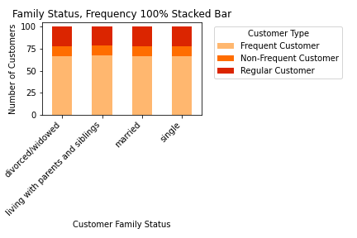
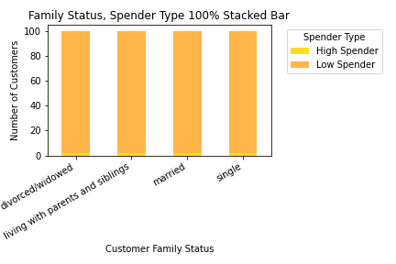
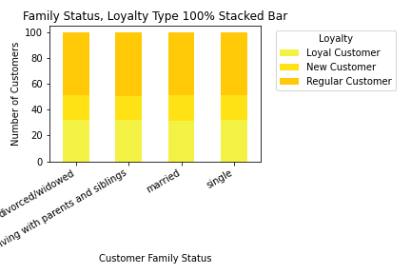
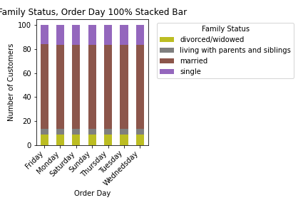
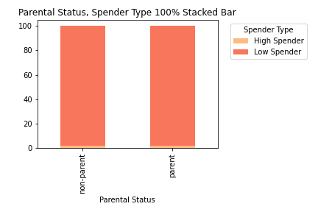
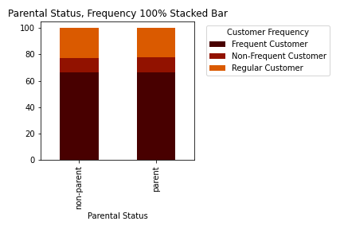
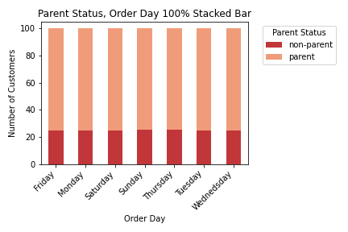
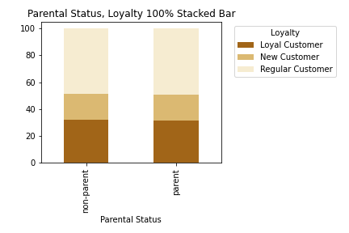
 |  |  |  | Title page

Visualizations and Insights

 | Price Range Groupings
 | Example of graph before grouping items by price - the graph is unclear and difficult to read. | Example after product price range groupings. The groupings are low range (under $5), mid range ($6 - $15), and over $15. The table shows the min, mean, and max values for prices.

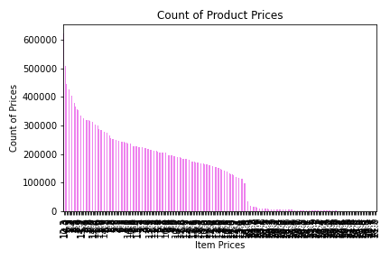
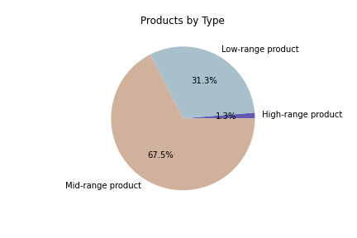
 |  |  | Prices
 |  |  | Min: 1.000
 |  |  | Mean: 7.79
 |  |  | Max: 25.00

 | High Priced Items
 | Over 99% of all of Instacarts highest priced items are in the meat and seafood aisle.

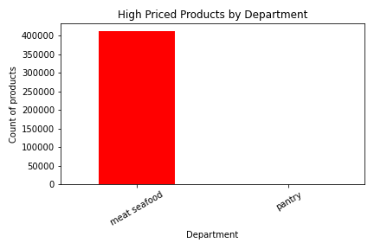

 | Top Departments
 | The highest performing departments on Instacart are: 1. produce, 2. dairy/eggs, 3. beverages, 4. frozen, and 5. pantry. They are the highest performing both the number of items sold (first graph) and by sales (second graph).
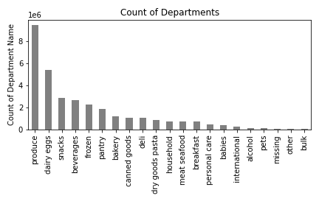 |  | 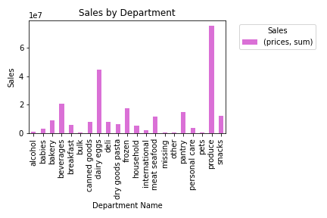
 | Customers by Region: Spending and Ordering Habits
 | The largest percentage of Instacart customers are in the South region, followed by West, Midwest, and Northeast. There is no difference in spender type, customer frequency, loyalty, income, deparments shopped, or time/day of shopping. Customers across regions have the same spending and ordering habits.
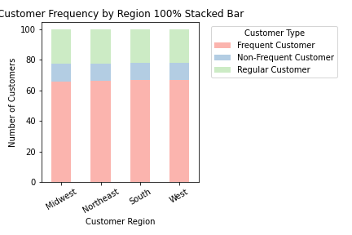
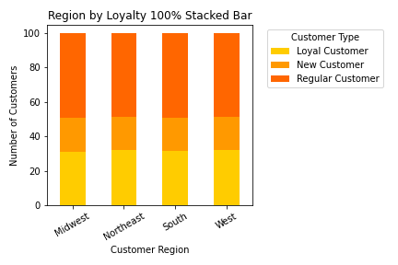
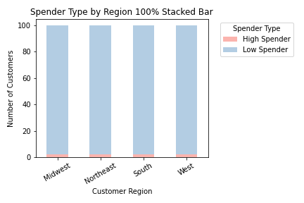

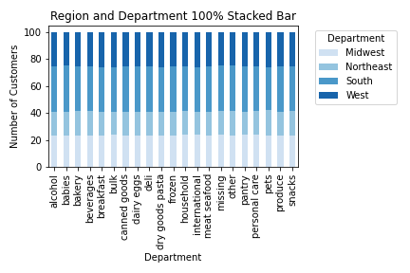
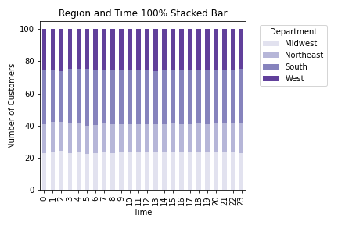
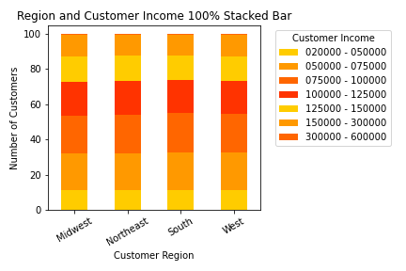

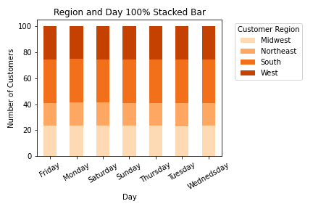

 | Customer Demographics
 | Instacart customers are primarily married parents who make between $50,000 and $125,000. The largest age group, however, is customers over 70 years old.

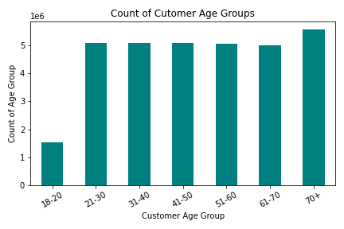
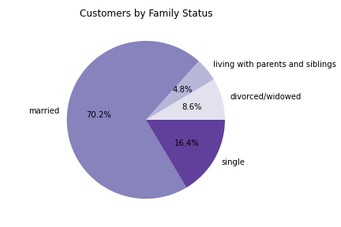

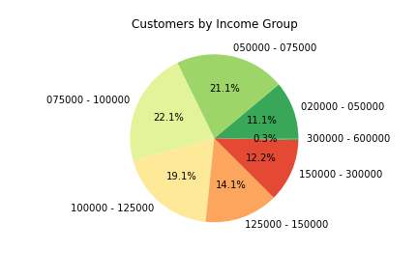
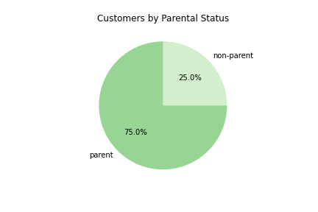

 | Customers by Age: Spending and Ordering Habits
 | The largest number of customers are over 70 years old. Age does not appear to have impact ordering or spending habits, including: number of orders, frequency of orders, loyalty, spending type, and order day.
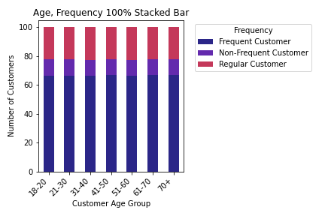
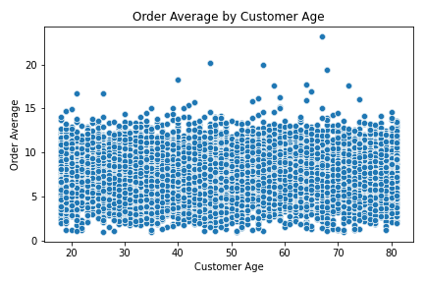

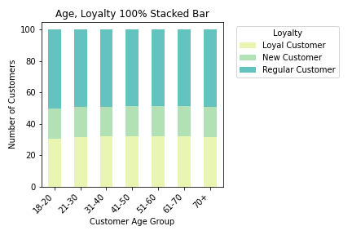
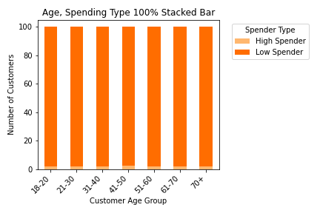

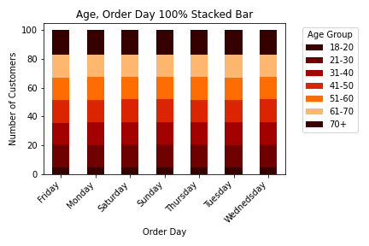

 | Customers by Family Status/Parental Status: Spending and Ordering Habits
 | Spending and ordering or habits do not vary based on family status, including: number of orders, frequency of orders, loyalty, spending type, and order day.

7. Recommendations
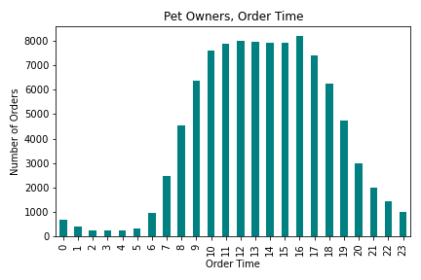
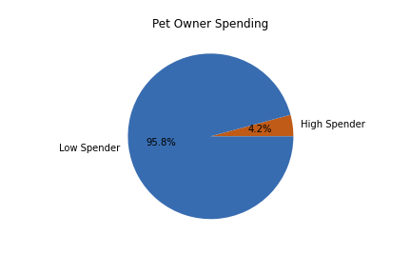
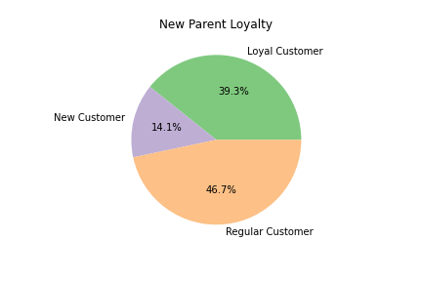
 |  |  |  | Title page

Recommendations

 | Please see "Visualizations" (tab 6) for more information on the conclusions below.

 | Question | Answer | Recommendation(s)
 | Key Question 1 : What are the busiest days of the week and hours of the day? | The busisest days of the week are Saturday and Sunday, and the busiest time of the day is between 10:00 and 11:00. | Ideal times for advertising targeted at low order times/days is Tuesdays and Wednesdays, after 20:00.
 | 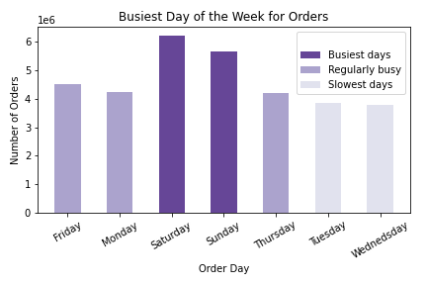 | 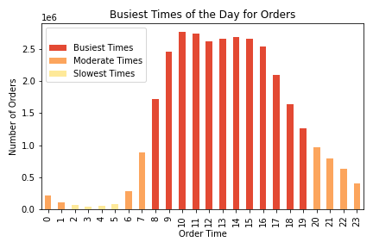
 | Question | Answer | Recommendation(s)
 | Key Question 2: Are there times of day when people spend more money? | Customers spend the most money very early in the morning - around 5:00. While the largest number of orders happen later in the day, customers are spending more money in the earlier hours. Higer priced products (see below), however, do not sell at a higher rate during these times. | Market higher priced items during the earlier hours of the day. Customers are likely to spend more money at that time, so they are likely to buy higher priced items as well.
 | 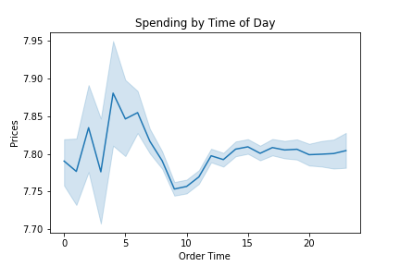 | 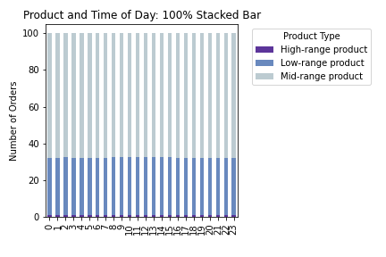
 | Question | Answer | Recommendation(s)
 | Key Question 3: What can we learn from simpler price range groupings? | Breaking products into price groupings allows a clearer understanding of different products, based on their prices. For example, higher spending customers tend to buy more high priced items. | Higher spending customers spend more money on high priced items. Market high priced items to those customers. High range products make up only 1.3% of Instacarts total product offerings. 99% of Instacarts high price items are in the meat department. Stock additional high priced items in that department and consider adding higher priced items in other departments and marketing them to customers who currently buy high priced items. For example, a high priced sauce to accompany a currently high priced meat.
 |  | 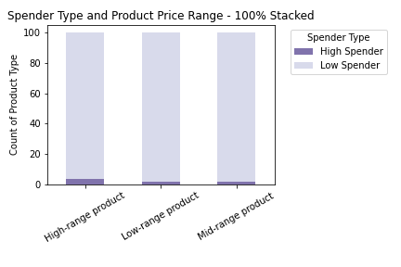

 | Question | Answer | Recommendation(s)
 | Key Question 4: Are certain types of products more popular than others? | The top performing departments are: 1. produce, 2. dairy/eggs, 3. beverages, 4. frozen, and 5. pantry. These account for 50% of all sales at Instacart. Produce alone accounts for over 30% of all of Instacarts sales. | Ads, promotions, and recommendations should target the highest performing products. Consider adding higher or specialty items in the produce deparment (such as organic or locally grow). Feature produce growers or sellers to appeal to customers.
 | 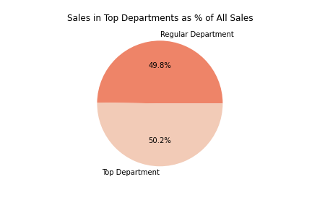
 | Question | Answer | Recommendation(s)
 | Key Question 5: Are there different types of customers and do their ordering behaviors differ?

 | 5a. What is the distibution amog users with regards to brand loyalty? | Regarding loyalty, 49% of Instacart customers are "Regular" customers and about 32% are loyal. | Loyal customers are those who have ordered more than 40 times. Create incentives for regular customers to order more frequently - such as coupons.
 |  | 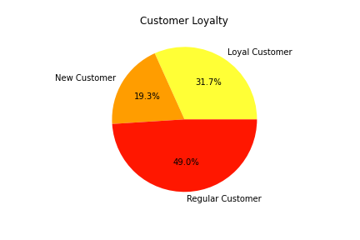

 | 5b. Are there differences in ordering habits based on a customer's loyalty status? | The stacked bar charts below illustrate that there is no difference in ordering habits between loyal customers and customers who order less frequently when their spending habits are considered proportionally to other customers. They do not order more expensive products, fall into the high spender group, or spend more money on their orders when compared to other customers. | The only thing that differentiates loyal customers from other customers is that they order more frequently. Instacart has identified its loyal customers internally, but these customers do not know they fall into this category. Create an incentive program - when a customer has made over 40 orders, let them know they are considered loyal. Offer special incentives or coupons, available only to these customers. Create marketing campaigns to make customers aware of the loyalty program and incentives for when they reach this bar.
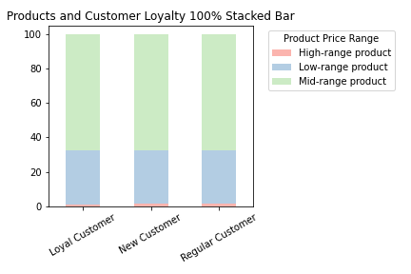 |  | 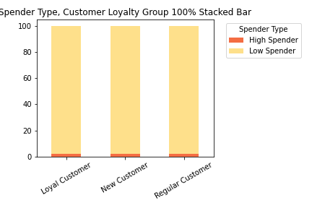 | 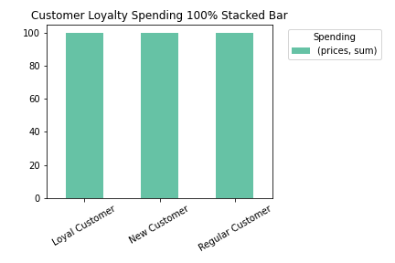
 | 5c. Are there differences in ordering and spending habits based on customer region? | Ordering and spending habits do not differ between regions (see tab 6 under "Customers by Region"). | There are more customers in the South than in any other region. Since spending habits do not vary across region, marketing strategies should not focus on spending and ordering habits, but rather on recruiting customers from new regions. The Northeast, for example, has a very high population, but has the fewest Instacart customers.
 | 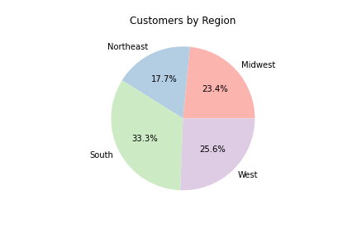
 | 5d. Is there a connection between age and family status in terms of ordering habits? | Ordering time varies, depending on customer age and family status. Customers in the 18 - 20 year old group are more likley to order at 3:00, divorced and widowed customers are more likely to order at 2:00, and parents at 4:00 am. Outside of ordering time, there are not significant differences. | Consider targeted marketing strategies, especially during the early hours. Since customers are also more likely to spend more money earlier in the morning (see Q2), this can also be leveraged through marketing.

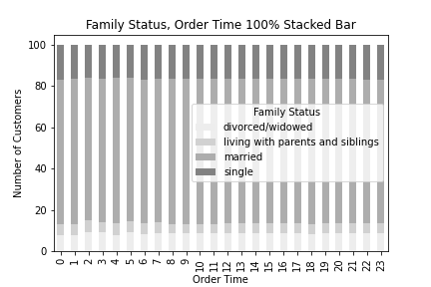
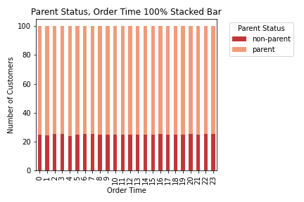
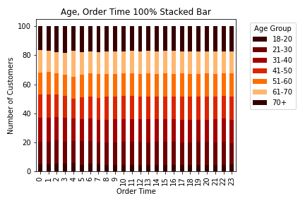

 | Question | Answer | Recommendation(s)
 | Key Question 6: Are there other considerations regarding customer behaviors or demographics?

 | 6a. Do spender type and income have special considerations? | The high spender group makes up only 1.9% of Instacart's total customer base. That group is made up of high income customers. Customers over 40 make significatly more money, but age is not a predictor of high spending. | Leverage and grow the high spender group through marketing geared toward age groups and higher income individuals.
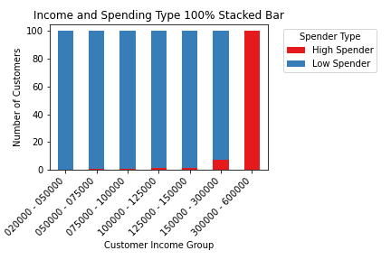
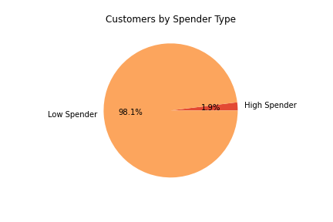
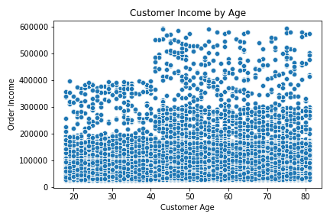

 | 6a. Is there potential with other customer demographic groups? | Subgroups have great potential when considering how to market to specific individuals, based on their interests. For example, the "Pet Owner" group (customers who order from the pet deparment) and "New Parents" (parents who shop from the babies department) illustrate that these groups have unique habits. Pet owners, for instance, are more likely to shop at 17:00 and are over two times more likely to be high spending customers. Nearly 40% of new parents are loyal customers, compared to 32% of the general customer population. | Consider customer subgroups when considering marketing strategies. For example, market pet products in the evenings, when pet owners are more likley to order.

